sales & clients
Adilas - All Data Is Live And Searchable
Your Data, Your World, Your Way

Annual Sales
Year | Annual Sales
2008 | $17,262
2009 | $59,234
Estimated at
$310,000 for
2015
2010 | $71,836
2011 | $122,832
2012 | $120,801
2013 | $163,041
2014 | $258,957
As of 5/16/15 | $154,980
As of 5/16/15
$154,980
As of 5/16/15
Total Gross Sales
$968,943
2015 Projected | $310,000

Total Gross Sales | $968,943

We Add 8-10 New
Clients A Month
Average Monthly
Client Spends About
$97/Month
Year | Clients
2008 | 11
2009 | 26
2010 | 56
2011 | 127
Monthly Fee Range
Is Between $17-$987
Currently, Our Highest
Monthly Fee Is About
$600 Per Month
2012 | 128
2013 | 143
2014 | 256
As of 5/16/15 | 230
2015 Projected | 300

Most of these numbers have been added via word of mouth advertising. We also tend to get business owners who have multiple accounts
or tell one or more of their friends and/or associates. We also use independent reps, consultants, and trainers. All of these areas could be
greatly increased with an in-house sales staff, consultants, and active marketing campaign. These numbers are just natural snowballing figures.

features & versions
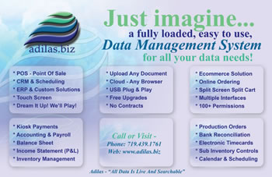
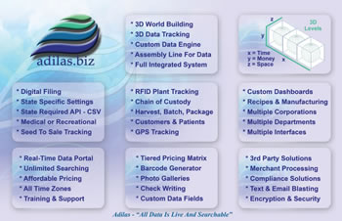


Adilas - All Data Is Live And Searchable
Your Data, Your World, Your Way

 |  | Version 1 | Version 2 | Version 3 | Version 4 | Version 5 | Version 6 | Version 7 | Version 8 | Version 9 | Version 10
Adilas.biz Key Features: | V # | 2001-2002 | 2002-2003 | 2004-2006 | 2006-2007 | 2007-2009 | 2009 | 2010 | 2011-2012 | 2013-2014 | 2015-2016
3D world Building - X=Time, Y=Money, Z=Space | v10
World Specific Databases (security & scalability) | v10
Sub Inventory & Cost Controls (packaging) | v10
Black Box Project - Custom Code Sockets Per Page | v10
Sales & Marketing Functions - Promotions & Campaigns | v10
Push Communication Options - Reminders, Emails, Text | v10
Online Bill Pay Portal | v10
Customer Loyalty Points & Gift Cards | v10
Sub Functions of Time - Round 2 of Elements of Time | v10
Mobile Apps | v10
Custom Labels | v10
Build & Save Your Own Reports | v10
Full Event & Job Costing | v10
GPS & RFID Tag Tracking | v10
Enhanced eCommerce Features - Shipping, PayPal, etc. | v10
Business Inteligence & Big Data - Stats, Graphs, Analytics | v10
New Interface Options & Choices | v10
API Sockets & Connections - Send & Receive Data Remotely | v9
3rd Party Solutions | v9
Multiple Servers, Clusters, & Independent Systems | v9
Custom Code Options | v9
Industry Specific Tweaks | v9
Built-In eCommerce | v9
Introduced Wold Building Concepts | v9
Training Events & Seminars - YouTube Videos | v9
Touch Screen Elements & Icons | v9
Upload Files, Media, & Content | v9
Elements of Time | v8
Calendar & Scheduling | v8
Smart Groups & Tiered Pricing | v8
Custom Interface Chooser & Default Homepages | v8
Interactive Map Interface | v8
Barcode Printing | v7
Mini Receipt Printing | v7
My Cart Favorite Buttons - Custom Sales Buttons | v7
Sales & Profit Reports - Grouped Daily Closeout Reports | v7
Advanced Point of Sale (POS) Functions | v7
Merchant Processing - Credit Cards | v6
Recipe/Builds - Kits, Groups, Presets | v6
Corp-Wide Settings - Custom Naming Conventions | v6
Web Presence for Parts & General Inventory Items | v6
CRM Functionality (Customer Relationship Management) | v6
Flex Grid Tie-In's - Special Data Relationships | v6
Reoccurring Invoices | v6
Accounting Features | v5
Accounts Payable - A/P's | v5
Accounts Receivables - A/R's | v5
P&L (Profit & Loss) or Income Statement | v5
Balance Sheet & Financials | v5
Banks | v4
Expense/Receipts | v4
Check Writing | v4
Deposits | v4
Permissions & Settings | v4
Payroll, Reports, Withholdings, & Commissions | v3
Floorplan Application for Stock/Units - Serialized Inventory | v3
Photo Management | v3
Basic Web Presence for Stock/Units | v3
Basic Point of Sale System (POS) | v2
Vendors | v2
PO's & Purchase Orders | v2
Parts & General Inventory Items | v2
Quotes | v2
Invoices | v2
Customers | v2
Digital Timecards | v1
Stock/Units - Serialized Inventory | v1
Locations | v1
Employee/Users | v1
 | V # | Version 1 | Version 2 | Version 3 | Version 4 | Version 5 | Version 6 | Version 7 | Version 8 | Version 9 | Version 10
 |  | 2001-2002 | 2002-2003 | 2004-2006 | 2006-2007 | 2007-2009 | 2009 | 2010 | 2011-2012 | 2013-2014 | 2015-2016

3D world building
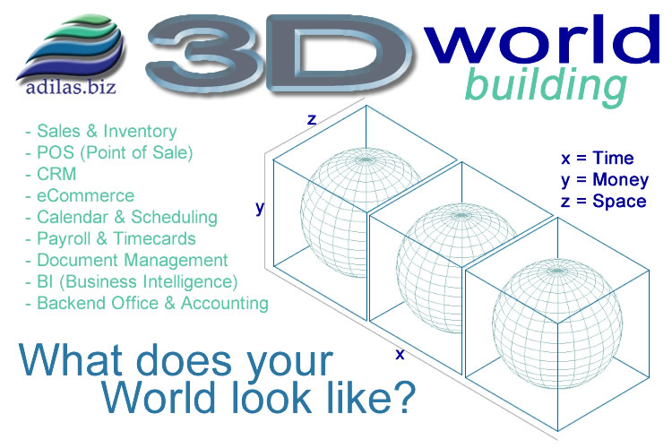

core interface
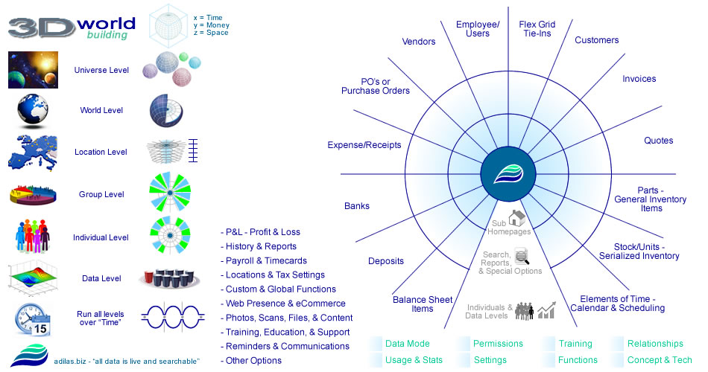

projections
Adilas - All Data Is Live And Searchable
Your Data, Your World, Your Way
Huge
potential
in this
whole
section
per month
 |  |  |  |  |  |  |  |  |  |  |  |  | Additional Revenue Sources
 |  |  |  |  |  |  |  |  |  |  |  |  | Monthly Extra Add In's
 |  |  |  |  |  |  |  |  |  |  |  | Custom Code: | $10,000
 |  |  |  |  |  |  |  |  |  |  |  | Consulting: | $0
Projections & Interactive Worksheet |  |  |  |  |  |  |  |  | Monthly Fee: | $127 |  | Training: | $5,000
 |  |  |  |  |  |  |  |  |  |  |  | Setup: | $1,200
* As of 5/16/15 - Adilas has 230 Active Clients - Besides new clients, one of the biggest options for additional revenue and growth is in the monthly extra add in's. |  |  |  |  |  |  |  |  |  |  |  | 3rd Party: | $0
 |  |  |  |  |  |  |  |  |  |  |  | Commissions: | $0
# of Clients | Monthly Fee | Total Monthly | Months | Annual Sales Estimate | Extra Add In's | Adjusted Monthly | Expenses | Net Monthly | Net Annually |  |  | Other: | $0
200 | $127 | $25,400 | 12 | $304,800 | $16,200 | $41,600 | $41,955 | ($355) | ($4,260) |  |  | Total Extras: | $16,200
250 | $127 | $31,750 | 12 | $381,000 | $16,200 | $47,950 | $41,955 | $5,995 | $71,940
300 | $127 | $38,100 | 12 | $457,200 | $16,200 | $54,300 | $41,955 | $12,345 | $148,140 |  |  | Monthly Expenses | Count | Total
350 | $127 | $44,450 | 12 | $533,400 | $16,200 | $60,650 | $41,955 | $18,695 | $224,340 |  | Servers/Hosting: | $650 | 8 | $5,200
400 | $127 | $50,800 | 12 | $609,600 | $16,200 | $67,000 | $41,955 | $25,045 | $300,540 |  | Domain Names: | $15 | 30 | $450
450 | $127 | $57,150 | 12 | $685,800 | $16,200 | $73,350 | $41,955 | $31,395 | $376,740 |  | SSL - Security: | $89 | 5 | $445
500 | $127 | $63,500 | 12 | $762,000 | $16,200 | $79,700 | $41,955 | $37,745 | $452,940 |  | Office Supplies: | $10 | 1 | $10
600 | $127 | $76,200 | 12 | $914,400 | $16,200 | $92,400 | $41,955 | $50,445 | $605,340 |  | Office Rent: | $250 | 1 | $250
700 | $127 | $88,900 | 12 | $1,066,800 | $16,200 | $105,100 | $41,955 | $63,145 | $757,740 |  | Hardware: | $0 | 1 | $0
800 | $127 | $101,600 | 12 | $1,219,200 | $16,200 | $117,800 | $41,955 | $75,845 | $910,140 |  | Software: | $0 | 1 | $0
900 | $127 | $114,300 | 12 | $1,371,600 | $16,200 | $130,500 | $41,955 | $88,545 | $1,062,540 |  | Wages: | $4,000 | 6 | $24,000
1,000 | $127 | $127,000 | 12 | $1,524,000 | $16,200 | $143,200 | $41,955 | $101,245 | $1,214,940 |  | Commissions: | $0 | 1 | $0
1,500 | $127 | $190,500 | 12 | $2,286,000 | $16,200 | $206,700 | $41,955 | $164,745 | $1,976,940 |  | Insurance: | $0 | 1 | $0
2,000 | $127 | $254,000 | 12 | $3,048,000 | $16,200 | $270,200 | $41,955 | $228,245 | $2,738,940 |  | Taxes: | $0 | 1 | $0
2,500 | $127 | $317,500 | 12 | $3,810,000 | $16,200 | $333,700 | $41,955 | $291,745 | $3,500,940 |  | Accounting: | $0 | 1 | $0
3,000 | $127 | $381,000 | 12 | $4,572,000 | $16,200 | $397,200 | $41,955 | $355,245 | $4,262,940 |  | Contract Labor: | $1,000 | 10 | $10,000
4,000 | $127 | $508,000 | 12 | $6,096,000 | $16,200 | $524,200 | $41,955 | $482,245 | $5,786,940 |  | Gas & Fuel: | $300 | 1 | $300
5,000 | $127 | $635,000 | 12 | $7,620,000 | $16,200 | $651,200 | $41,955 | $609,245 | $7,310,940 |  | Travel: | $0 | 1 | $0
6,000 | $127 | $762,000 | 12 | $9,144,000 | $16,200 | $778,200 | $41,955 | $736,245 | $8,834,940 |  | Food & Meetings: | $250 | 1 | $250
7,000 | $127 | $889,000 | 12 | $10,668,000 | $16,200 | $905,200 | $41,955 | $863,245 | $10,358,940 |  | Postage: | $50 | 1 | $50
8,000 | $127 | $1,016,000 | 12 | $12,192,000 | $16,200 | $1,032,200 | $41,955 | $990,245 | $11,882,940 |  | Interest: | $1,000 | 1 | $1,000
9,000 | $127 | $1,143,000 | 12 | $13,716,000 | $16,200 | $1,159,200 | $41,955 | $1,117,245 | $13,406,940 |  | Marketing: | $0 | 1 | $0
10,000 | $127 | $1,270,000 | 12 | $15,240,000 | $16,200 | $1,286,200 | $41,955 | $1,244,245 | $14,930,940 |  | Other Expenses: | $0 | 1 | $0
15,000 | $127 | $1,905,000 | 12 | $22,860,000 | $16,200 | $1,921,200 | $41,955 | $1,879,245 | $22,550,940 |  |  |  | Monthly Total Expenses: | $41,955
20,000 | $127 | $2,540,000 | 12 | $30,480,000 | $16,200 | $2,556,200 | $41,955 | $2,514,245 | $30,170,940
25,000 | $127 | $3,175,000 | 12 | $38,100,000 | $16,200 | $3,191,200 | $41,955 | $3,149,245 | $37,790,940
30,000 | $127 | $3,810,000 | 12 | $45,720,000 | $16,200 | $3,826,200 | $41,955 | $3,784,245 | $45,410,940
35,000 | $127 | $4,445,000 | 12 | $53,340,000 | $16,200 | $4,461,200 | $41,955 | $4,419,245 | $53,030,940
40,000 | $127 | $5,080,000 | 12 | $60,960,000 | $16,200 | $5,096,200 | $41,955 | $5,054,245 | $60,650,940
45,000 | $127 | $5,715,000 | 12 | $68,580,000 | $16,200 | $5,731,200 | $41,955 | $5,689,245 | $68,270,940
50,000 | $127 | $6,350,000 | 12 | $76,200,000 | $16,200 | $6,366,200 | $41,955 | $6,324,245 | $75,890,940
55,000 | $127 | $6,985,000 | 12 | $83,820,000 | $16,200 | $7,001,200 | $41,955 | $6,959,245 | $83,510,940
60,000 | $127 | $7,620,000 | 12 | $91,440,000 | $16,200 | $7,636,200 | $41,955 | $7,594,245 | $91,130,940
65,000 | $127 | $8,255,000 | 12 | $99,060,000 | $16,200 | $8,271,200 | $41,955 | $8,229,245 | $98,750,940
70,000 | $127 | $8,890,000 | 12 | $106,680,000 | $16,200 | $8,906,200 | $41,955 | $8,864,245 | $106,370,940
75,000 | $127 | $9,525,000 | 12 | $114,300,000 | $16,200 | $9,541,200 | $41,955 | $9,499,245 | $113,990,940
80,000 | $127 | $10,160,000 | 12 | $121,920,000 | $16,200 | $10,176,200 | $41,955 | $10,134,245 | $121,610,940
85,000 | $127 | $10,795,000 | 12 | $129,540,000 | $16,200 | $10,811,200 | $41,955 | $10,769,245 | $129,230,940
90,000 | $127 | $11,430,000 | 12 | $137,160,000 | $16,200 | $11,446,200 | $41,955 | $11,404,245 | $136,850,940
95,000 | $127 | $12,065,000 | 12 | $144,780,000 | $16,200 | $12,081,200 | $41,955 | $12,039,245 | $144,470,940
100,000 | $127 | $12,700,000 | 12 | $152,400,000 | $16,200 | $12,716,200 | $41,955 | $12,674,245 | $152,090,940
# of Clients | Monthly Fee | Total Monthly | Months | Annual Sales Estimate | Extra Add In's | Adjusted Monthly | Expenses | Net Monthly | Net Annually

